Statistics
UNIT TEST REPORT

Project Name | Build an Electronic Training Record System for an Aviation Training Academy |  | Creator |  | KhoiDT
Project Code | SU26SE104 |  | Reviewer/Approver |  | QA Manager
Document Code | SU26SE104_Test Report_vx.x |  | Issue Date |  | 2026-08-01
Notes

No | Function code | Passed | Failed | Untested | N | A | B | Total Test Cases
1 | ETR_F001 | 9 | 0 | 0 | 2 | 5 | 2 | 9
2 | ETR_F002 | 4 | 0 | 0 | 1 | 3 | 0 | 4
3 | ETR_F003 | 3 | 0 | 0 | 1 | 2 | 0 | 3
4 | ETR_F004 | 6 | 0 | 0 | 2 | 3 | 1 | 6
5 | ETR_F005 | 4 | 0 | 0 | 1 | 2 | 1 | 4
6 | ETR_F006 | 4 | 0 | 0 | 2 | 1 | 1 | 4
7 | ETR_F007 | 4 | 0 | 0 | 3 | 0 | 1 | 4
8 | ENR_F001 | 5 | 0 | 0 | 1 | 3 | 1 | 5
9 | ENR_F002 | 3 | 0 | 0 | 1 | 2 | 0 | 3
10 | CLS_F001 | 5 | 0 | 0 | 1 | 3 | 1 | 5
11 | CLS_F002 | 5 | 0 | 0 | 2 | 1 | 2 | 5
12 | CRS_F001 | 4 | 0 | 0 | 1 | 3 | 0 | 4
13 | CRS_F002 | 4 | 0 | 0 | 2 | 1 | 1 | 4
14 | ATT_F001 | 6 | 0 | 0 | 1 | 3 | 2 | 6
15 | ATT_F002 | 3 | 0 | 0 | 1 | 1 | 1 | 3
16 | ASR_F001 | 6 | 0 | 0 | 1 | 3 | 2 | 6
17 | ASR_F002 | 2 | 0 | 0 | 1 | 1 | 0 | 2
18 | ASR_F003 | 4 | 0 | 0 | 1 | 2 | 1 | 4
19 | EVD_F001 | 5 | 0 | 0 | 1 | 3 | 1 | 5
20 | EVD_F002 | 4 | 0 | 0 | 1 | 2 | 1 | 4
21 | AMD_F001 | 6 | 0 | 0 | 2 | 4 | 0 | 6
22 | AMD_F002 | 3 | 0 | 0 | 1 | 1 | 1 | 3
23 | AMD_F003 | 2 | 0 | 0 | 1 | 1 | 0 | 2
24 | APR_F001 | 6 | 0 | 0 | 2 | 3 | 1 | 6
25 | IMP_F001 | 5 | 0 | 0 | 1 | 4 | 0 | 5
26 | IMP_F002 | 3 | 0 | 0 | 1 | 1 | 1 | 3
27 | ACC_F001 | 4 | 0 | 0 | 1 | 2 | 1 | 4
28 | ACC_F002 | 2 | 0 | 0 | 1 | 1 | 0 | 2
29 | UP_F001 | 2 | 0 | 0 | 1 | 1 | 0 | 2
30 | EXP_F001 | 4 | 0 | 0 | 1 | 2 | 1 | 4
31 | DSH_F001 | 2 | 0 | 0 | 1 | 0 | 1 | 2
 | Sub total | 129 | 0 | 0 | 40 | 64 | 25 | 129

 | Test coverage |  | 100.00 | %
 | Test successful coverage |  | 100.00 | %
 | Normal case |  | 31.01 | %
 | Abnormal case |  | 49.61 | %
 | Boundary case |  | 19.38 | %

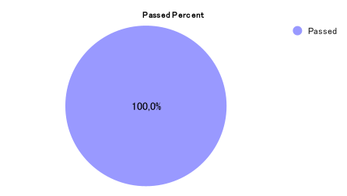
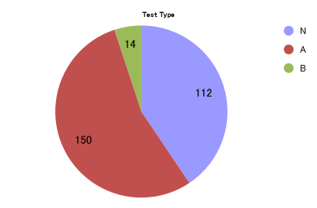

Passed Percent
Test Type

